Price Calculation
Price Calculation: RFP730-20123 JOC Services

Summary for UH, UHD, UHCL
RATIO FORMULA: Points x (Lowest Cost / Bidders Amount)

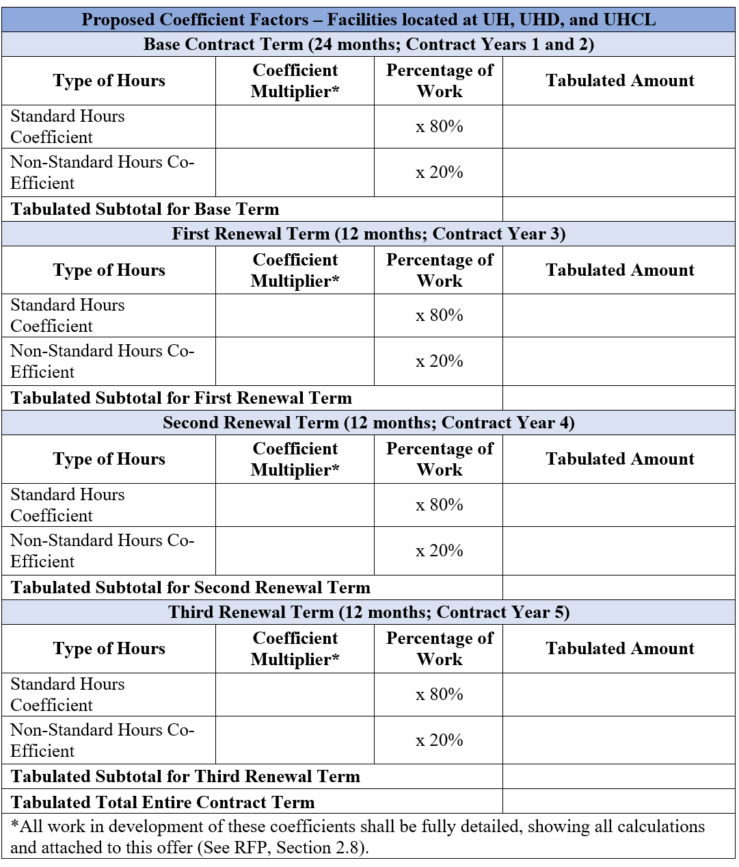
 |  | Years 1 & 2 (24 mths) |  |  |  | Year 3 (12 mths) |  |  |  | Year 4 (12 mths) |  |  |  | Year 5 (12 mths)
 |  | Normal | Non-Normal | NPPI |  | Normal | Non-Normal | NPPI |  | Normal | Non-Normal | NPPI |  | Normal | Non-Normal | NPPI |  | Summary for UH, UHD, UHCL
 |  | 70% | 20% | 10% | Y1&2 Total | 70% | 20% | 10% | Y3 Total | 70% | 20% | 10% | Y4 Total | 70% | 20% | 10% | Y5 Total |  | Tabulated Total Entire Contract Term
Bidders |  |  |  |  |  |  |  |  |  |  |  |  |  |  |  |  |  |  |  | Points | Lowest cost | Score | Rank |  | Final Score | Rank
A Status | Coeff Multr | 0.92 | 0.95 | 1.05 |  | 0.93 | 0.96 | 1.06 |  | 0.93 | 0.96 | 1.06 |  | 0.95 | 0.98 | 1.06 |  | A Status | 3.804 | 22.5 | $3.43 | 20.276025237 | 7 | A Status | 26.569782887 | 7
 | Tab Amnt | 0.644 | 0.19 | 0.105 | 0.939 | 0.651 | 0.192 | 0.106 | 0.949 | 0.651 | 0.192 | 0.106 | 0.949 | 0.665 | 0.196 | 0.106 | 0.967 | Brown & Root | 4.184 |  |  | 18.434512428 | 10 | Brown & Root | 24.452770855 | 10
Brown & Root | Coeff Multr | 1.02 | 1.05 | 1.22 |  | 1.02 | 1.05 | 1.22 |  | 1.02 | 1.05 | 1.22 |  | 1.02 | 1.05 | 1.22 |  | DAVACO | 5.714 |  |  | 13.498424921 | 21 | DAVACO | 17.997899895 | 21
 | Tab Amnt | 0.714 | 0.21 | 0.122 | 1.046 | 0.714 | 0.21 | 0.122 | 1.046 | 0.714 | 0.21 | 0.122 | 1.046 | 0.714 | 0.21 | 0.122 | 1.046 | Dunhill | 5.488 |  |  | 14.054300292 | 20 | Dunhill | 18.705168598 | 20
DAVACO | Coeff Multr | 1.42 | 1.42 | 1.1 |  | 1.45 | 1.45 | 1.1 |  | 1.48 | 1.48 | 1.1 |  | 1.51 | 1.51 | 1.1 |  | ERC | 3.74 |  |  | 20.622994652 | 3 | ERC | 27.497326203 | 3
 | Tab Amnt | 0.994 | 0.284 | 0.11 | 1.388 | 1.015 | 0.29 | 0.11 | 1.415 | 1.036 | 0.296 | 0.11 | 1.442 | 1.057 | 0.302 | 0.11 | 1.469 | Facilities Sources | 4.49 |  |  | 17.178173719 | 12 | Facilities Sources | 22.277340717 | 12
Dunhill | Coeff Multr | 1.33 | 1.555 | 1.3 |  | 1.33 | 1.555 | 1.3 |  | 1.33 | 1.555 | 1.3 |  | 1.33 | 1.555 | 1.3 |  | FMG | 3.788 |  |  | 20.361668427 | 6 | FMG | 27.148891235 | 6
 | Tab Amnt | 0.931 | 0.311 | 0.13 | 1.372 | 0.931 | 0.311 | 0.13 | 1.372 | 0.931 | 0.311 | 0.13 | 1.372 | 0.931 | 0.311 | 0.13 | 1.372 | Gutier | 4.784 |  |  | 16.122491639 | 14 | Gutier | 21.496655518 | 14
ERC | Coeff Multr | 0.9 | 0.95 | 1.15 |  | 0.9 | 0.95 | 1.15 |  | 0.9 | 0.95 | 1.15 |  | 0.9 | 0.95 | 1.15 |  | Horizon | 4.02 |  |  | 19.186567164 | 8 | Horizon | 25.582089552 | 8
 | Tab Amnt | 0.63 | 0.19 | 0.115 | 0.935 | 0.63 | 0.19 | 0.115 | 0.935 | 0.63 | 0.19 | 0.115 | 0.935 | 0.63 | 0.19 | 0.115 | 0.935 | JLA | 3.764 |  |  | 20.491498406 | 5 | JLA | 27.321997875 | 5
Facilities Sources | Coeff Multr | 1.2025 | 1.3025 | 0.2025 |  | 1.2025 | 1.3025 | 0.2025 |  | 1.2025 | 1.3025 | 0.2025 |  | 1.2025 | 1.3025 | 0.2025 |  | JR Thomas Group | 6.204 |  |  | 12.432301741 | 22 | JR Thomas Group | 16.576402321 | 22
 | Tab Amnt | 0.84175 | 0.2605 | 0.02025 | 1.1225 | 0.84175 | 0.2605 | 0.02025 | 1.1225 | 0.84175 | 0.2605 | 0.02025 | 1.1225 | 0.84175 | 0.2605 | 0.02025 | 1.1225 | LMC Corp | 4.026 |  |  | 19.157973174 | 9 | LMC Corp | 25.124554748 | 9
FMG | Coeff Multr | 0.93 | 0.98 | 1 |  | 0.93 | 0.98 | 1 |  | 0.93 | 0.98 | 1 |  | 0.93 | 0.98 | 1 |  | METCO | 3.6044 |  |  | 21.398845855 | 2 | METCO | 28.531794473 | 2
 | Tab Amnt | 0.651 | 0.196 | 0.1 | 0.947 | 0.651 | 0.196 | 0.1 | 0.947 | 0.651 | 0.196 | 0.1 | 0.947 | 0.651 | 0.196 | 0.1 | 0.947 | Nash | 3.428 |  |  | 22.5 | 1 | Nash | 30 | 1
Gutier | Coeff Multr | 1.17 | 1.25 | 1.22 |  | 1.17 | 1.25 | 1.22 |  | 1.18 | 1.26 | 1.23 |  | 1.18 | 1.26 | 1.23 |  | Noble | 4.976 |  |  | 15.500401929 | 15 | Noble | 20.704855371 | 15
 | Tab Amnt | 0.819 | 0.25 | 0.122 | 1.191 | 0.819 | 0.25 | 0.122 | 1.191 | 0.826 | 0.252 | 0.123 | 1.201 | 0.826 | 0.252 | 0.123 | 1.201 | Skanska | 5.3312 |  |  | 14.467662065 | 18 | Skanska | 19.235837139 | 18
Horizon | Coeff Multr | 1 | 1 | 1.05 |  | 1 | 1 | 1.05 |  | 1 | 1 | 1.05 |  | 1 | 1 | 1.05 |  | Skyler | 5.247 |  |  | 14.699828473 | 17 | Skyler | 19.546199821 | 17
 | Tab Amnt | 0.7 | 0.2 | 0.105 | 1.005 | 0.7 | 0.2 | 0.105 | 1.005 | 0.7 | 0.2 | 0.105 | 1.005 | 0.7 | 0.2 | 0.105 | 1.005 | SLI Group | 5.392 |  |  | 14.304525223 | 19 | SLI Group | 18.935288911 | 19
JLA | Coeff Multr | 0.89 | 0.97 | 0.94 |  | 0.91 | 0.99 | 0.96 |  | 0.93 | 1.01 | 0.98 |  | 0.95 | 1.03 | 1 |  | Trevino Group | 5.035 |  |  | 15.31876862 | 16 | Trevino Group | 20.03446928 | 16
 | Tab Amnt | 0.623 | 0.194 | 0.094 | 0.911 | 0.637 | 0.198 | 0.096 | 0.931 | 0.651 | 0.202 | 0.098 | 0.951 | 0.665 | 0.206 | 0.1 | 0.971 | Turner | 4.336 |  |  | 17.788284133 | 11 | Turner | 23.522004026 | 11
JR Thomas Group | Coeff Multr | 1.58 | 1.6 | 1.25 |  | 1.58 | 1.6 | 1.25 |  | 1.58 | 1.6 | 1.25 |  | 1.58 | 1.6 | 1.25 |  | Vaughn | 4.694 |  |  | 16.431614827 | 13 | Vaughn | 21.785633986 | 13
 | Tab Amnt | 1.106 | 0.320 | 0.125 | 1.551 | 1.106 | 0.32 | 0.125 | 1.551 | 1.106 | 0.32 | 0.125 | 1.551 | 1.106 | 0.32 | 0.125 | 1.551 | Westco Ventures | 3.74 |  |  | 20.622994652 | 3 | Westco Ventures | 27.497326203 | 3
LMC Corp | Coeff Multr | 0.95 | 0.99 | 1.15 |  | 0.97 | 1.02 | 1.15 |  | 0.99 | 1.04 | 1.15 |  | 1.01 | 1.06 | 1.15
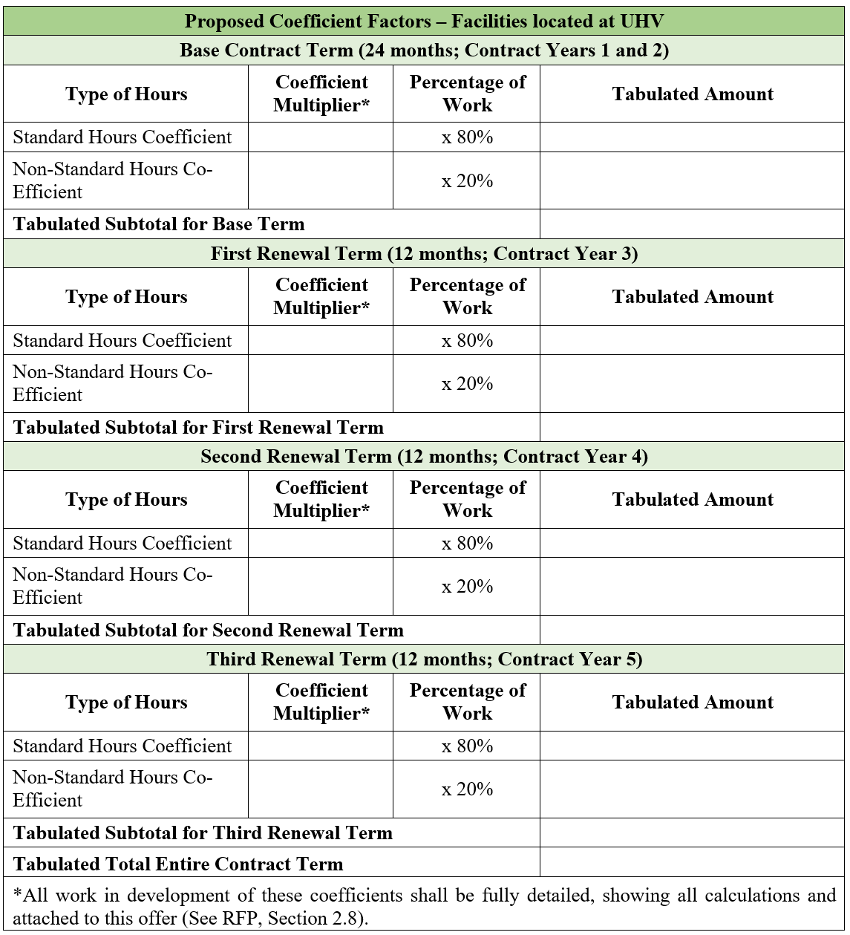
 | Tab Amnt | 0.665 | 0.198 | 0.115 | 0.978 | 0.679 | 0.204 | 0.115 | 0.998 | 0.693 | 0.208 | 0.115 | 1.016 | 0.707 | 0.212 | 0.115 | 1.034 | Summary for UHV
METCO | Coeff Multr | 0.869 | 0.969 | 0.99 |  | 0.869 | 0.969 | 0.99 |  | 0.869 | 0.969 | 0.99 |  | 0.869 | 0.969 | 0.99 |  |  | Tabulated Total Entire Contract Term
 | Tab Amnt | 0.6083 | 0.1938 | 0.099 | 0.9011 | 0.6083 | 0.1938 | 0.099 | 0.9011 | 0.6083 | 0.1938 | 0.099 | 0.9011 | 0.6083 | 0.1938 | 0.099 | 0.9011 |  |  | Points | Lowest cost | Score | Rank
Nash | Coeff Multr | 0.8 | 0.87 | 1.23 |  | 0.8 | 0.87 | 1.23 |  | 0.8 | 0.87 | 1.23 |  | 0.8 | 0.87 | 1.23 |  | A Status | 4.085 | 7.5 | $3.43 | 6.2937576499 | 8
 | Tab Amnt | 0.56 | 0.174 | 0.123 | 0.857 | 0.56 | 0.174 | 0.123 | 0.857 | 0.56 | 0.174 | 0.123 | 0.857 | 0.56 | 0.174 | 0.123 | 0.857 | Brown & Root | 4.272 |  |  | 6.018258427 | 9
Noble | Coeff Multr | 1.22 | 1.28 | 1.34 |  | 1.22 | 1.28 | 1.34 |  | 1.22 | 1.28 | 1.34 |  | 1.22 | 1.28 | 1.34 |  | DAVACO | 5.714 |  |  | 4.4994749737 | 21
 | Tab Amnt | 0.854 | 0.256 | 0.134 | 1.244 | 0.854 | 0.256 | 0.134 | 1.244 | 0.854 | 0.256 | 0.134 | 1.244 | 0.854 | 0.256 | 0.134 | 1.244 | Dunhill | 5.528 |  |  | 4.6508683068 | 19
Skanska | Coeff Multr | 1.295 | 1.4 | 1.295 |  | 1.317 | 1.404 | 1.317 |  | 1.321 | 1.408 | 1.321 |  | 1.325 | 1.412 | 1.325 |  | ERC | 3.74 |  |  | 6.8743315508 | 3
 | Tab Amnt | 0.9065 | 0.28 | 0.1295 | 1.316 | 0.9219 | 0.2808 | 0.1317 | 1.3344 | 0.9247 | 0.2816 | 0.1321 | 1.3384 | 0.9275 | 0.2824 | 0.1325 | 1.3424 | Facilities Sources | 5.042 |  |  | 5.0991669972 | 15
Skyler | Coeff Multr | 1.27 | 1.37 | 1.35 |  | 1.29 | 1.37 | 1.35 |  | 1.29 | 1.37 | 1.35 |  | 1.3 | 1.38 | 1.39 |  | FMG | 3.788 |  |  | 6.7872228089 | 6
 | Tab Amnt | 0.889 | 0.274 | 0.135 | 1.298 | 0.903 | 0.274 | 0.135 | 1.312 | 0.903 | 0.274 | 0.135 | 1.312 | 0.91 | 0.276 | 0.139 | 1.325 | Gutier | 4.784 |  |  | 5.3741638796 | 12
SLI Group | Coeff Multr | 1.34 | 1.38 | 1.34 |  | 1.34 | 1.38 | 1.34 |  | 1.34 | 1.38 | 1.34 |  | 1.34 | 1.38 | 1.34 |  | Horizon | 4.02 |  |  | 6.3955223881 | 7
 | Tab Amnt | 0.938 | 0.276 | 0.134 | 1.348 | 0.938 | 0.276 | 0.134 | 1.348 | 0.938 | 0.276 | 0.134 | 1.348 | 0.938 | 0.276 | 0.134 | 1.348 | JLA | 3.764 |  |  | 6.8304994687 | 5
Trevino Group | Coeff Multr | 1.18 | 1.3 | 1.2 |  | 1.23 | 1.4 | 1.2 |  | 1.25 | 1.4 | 1.2 |  | 1.27 | 1.42 | 1.2 |  | JR Thomas Group | 6.204 |  |  | 4.1441005803 | 22
 | Tab Amnt | 0.826 | 0.26 | 0.12 | 1.206 | 0.861 | 0.28 | 0.12 | 1.261 | 0.875 | 0.28 | 0.12 | 1.275 | 0.889 | 0.284 | 0.12 | 1.293 | LMC Corp | 4.309 |  |  | 5.9665815735 | 10
Turner | Coeff Multr | 1.07 | 1.1 | 1.15 |  | 1.07 | 1.1 | 1.15 |  | 1.07 | 1.1 | 1.15 |  | 1.07 | 1.1 | 1.15 |  | METCO | 3.6044 |  |  | 7.1329486184 | 2
 | Tab Amnt | 0.749 | 0.22 | 0.115 | 1.084 | 0.749 | 0.22 | 0.115 | 1.084 | 0.749 | 0.22 | 0.115 | 1.084 | 0.749 | 0.22 | 0.115 | 1.084 | Nash | 3.428 |  |  | 7.5 | 1
Vaughn | Coeff Multr | 1.16 | 1.21 | 1.15 |  | 1.16 | 1.21 | 1.15 |  | 1.17 | 1.22 | 1.15 |  | 1.17 | 1.22 | 1.15 |  | Noble | 4.94 |  |  | 5.2044534413 | 14
 | Tab Amnt | 0.812 | 0.242 | 0.115 | 1.169 | 0.812 | 0.242 | 0.115 | 1.169 | 0.819 | 0.244 | 0.115 | 1.178 | 0.819 | 0.244 | 0.115 | 1.178 | Skanska | 5.392 |  |  | 4.7681750742 | 17
Westco Ventures | Coeff Multr | 0.9 | 0.95 | 1.15 |  | 0.9 | 0.95 | 1.15 |  | 0.9 | 0.95 | 1.15 |  | 0.9 | 0.95 | 1.15 |  | Skyler | 5.305 |  |  | 4.8463713478 | 16
 | Tab Amnt | 0.63 | 0.19 | 0.115 | 0.935 | 0.63 | 0.19 | 0.115 | 0.935 | 0.63 | 0.19 | 0.115 | 0.935 | 0.63 | 0.19 | 0.115 | 0.935 | SLI Group | 5.552 |  |  | 4.6307636888 | 20
 |  |  |  |  |  |  |  |  |  |  |  |  |  |  |  |  |  | Trevino Group | 5.452 |  |  | 4.7157006603 | 18
 |  |  |  |  |  |  |  |  |  |  |  |  |  |  |  |  |  | Turner | 4.484 |  |  | 5.733719893 | 11
 |  |  |  |  |  |  |  |  |  |  |  |  |  |  |  |  |  | Vaughn | 4.802 |  |  | 5.3540191587 | 13
Summary for UHV |  |  |  |  |  |  |  |  |  |  |  |  |  |  |  |  |  | Westco Ventures | 3.74 |  |  | 6.8743315508 | 3
RATIO FORMULA: Points x (Lowest Cost / Bidders Amount)

 |  | Years 1 & 2 (24 mths) |  |  |  | Year 3 (12 mths) |  |  |  | Year 4 (12 mths) |  |  |  | Year 5 (12 mths)
 |  | Normal | Non-Normal | NPPI |  | Normal | Non-Normal | NPPI |  | Normal | Non-Normal | NPPI |  | Normal | Non-Normal | NPPI
 |  | 70% | 20% | 10% | Y1&2 Total | 70% | 20% | 10% | Y3 Total | 70% | 20% | 10% | Y4 Total | 70% | 20% | 10% | Y5 Total
Bidders
A Status | Coeff Multr | 1 | 1.05 | 1.05 |  | 1 | 1.05 | 1.06 |  | 1 | 1.05 | 1.06 |  | 1.03 | 1.04 | 1.09
 | Tab Amnt | 0.7 | 0.21 | 0.105 | 1.015 | 0.7 | 0.21 | 0.106 | 1.016 | 0.7 | 0.21 | 0.106 | 1.016 | 0.721 | 0.208 | 0.109 | 1.038
Brown & Root | Coeff Multr | 1.04 | 1.09 | 1.22 |  | 1.04 | 1.09 | 1.22 |  | 1.04 | 1.09 | 1.22 |  | 1.04 | 1.09 | 1.22
 | Tab Amnt | 0.728 | 0.218 | 0.122 | 1.068 | 0.728 | 0.218 | 0.122 | 1.068 | 0.728 | 0.218 | 0.122 | 1.068 | 0.728 | 0.218 | 0.122 | 1.068
DAVACO | Coeff Multr | 1.42 | 1.42 | 1.1 |  | 1.45 | 1.45 | 1.1 |  | 1.48 | 1.48 | 1.1 |  | 1.51 | 1.51 | 1.1
 | Tab Amnt | 0.994 | 0.284 | 0.11 | 1.388 | 1.015 | 0.29 | 0.11 | 1.415 | 1.036 | 0.296 | 0.11 | 1.442 | 1.057 | 0.302 | 0.11 | 1.469
Dunhill | Coeff Multr | 1.34 | 1.57 | 1.3 |  | 1.34 | 1.57 | 1.3 |  | 1.34 | 1.57 | 1.3 |  | 1.34 | 1.57 | 1.3
 | Tab Amnt | 0.938 | 0.314 | 0.13 | 1.382 | 0.938 | 0.314 | 0.13 | 1.382 | 0.938 | 0.314 | 0.13 | 1.382 | 0.938 | 0.314 | 0.13 | 1.382
ERC | Coeff Multr | 0.9 | 0.95 | 1.15 |  | 0.9 | 0.95 | 1.15 |  | 0.9 | 0.95 | 1.15 |  | 0.9 | 0.95 | 1.15
 | Tab Amnt | 0.63 | 0.19 | 0.115 | 0.935 | 0.63 | 0.19 | 0.115 | 0.935 | 0.63 | 0.19 | 0.115 | 0.935 | 0.63 | 0.19 | 0.115 | 0.935
Facilities Sources | Coeff Multr | 1.3525 | 1.4675 | 0.2025 |  | 1.3525 | 1.4675 | 0.2025 |  | 1.3525 | 1.4675 | 0.2025 |  | 1.3525 | 1.4675 | 0.2025
 | Tab Amnt | 0.94675 | 0.2935 | 0.02025 | 1.2605 | 0.94675 | 0.2935 | 0.02025 | 1.2605 | 0.94675 | 0.2935 | 0.02025 | 1.2605 | 0.94675 | 0.2935 | 0.02025 | 1.2605
FMG | Coeff Multr | 0.93 | 0.98 | 1 |  | 0.93 | 0.98 | 1 |  | 0.93 | 0.98 | 1 |  | 0.93 | 0.98 | 1
 | Tab Amnt | 0.651 | 0.196 | 0.1 | 0.947 | 0.651 | 0.196 | 0.1 | 0.947 | 0.651 | 0.196 | 0.1 | 0.947 | 0.651 | 0.196 | 0.1 | 0.947
Gutier | Coeff Multr | 1.17 | 1.25 | 1.22 |  | 1.17 | 1.25 | 1.22 |  | 1.18 | 1.26 | 1.23 |  | 1.18 | 1.26 | 1.23
 | Tab Amnt | 0.819 | 0.25 | 0.122 | 1.191 | 0.819 | 0.25 | 0.122 | 1.191 | 0.826 | 0.252 | 0.123 | 1.201 | 0.826 | 0.252 | 0.123 | 1.201
Horizon | Coeff Multr | 1 | 1 | 1.05 |  | 1 | 1 | 1.05 |  | 1 | 1 | 1.05 |  | 1 | 1 | 1.05
 | Tab Amnt | 0.7 | 0.2 | 0.105 | 1.005 | 0.7 | 0.2 | 0.105 | 1.005 | 0.7 | 0.2 | 0.105 | 1.005 | 0.7 | 0.2 | 0.105 | 1.005
JLA | Coeff Multr | 0.89 | 0.97 | 0.94 |  | 0.91 | 0.99 | 0.96 |  | 0.93 | 1.01 | 0.98 |  | 0.95 | 1.03 | 1
 | Tab Amnt | 0.623 | 0.194 | 0.094 | 0.911 | 0.637 | 0.198 | 0.096 | 0.931 | 0.651 | 0.202 | 0.098 | 0.951 | 0.665 | 0.206 | 0.1 | 0.971
JR Thomas Group | Coeff Multr | 1.58 | 1.6 | 1.25 |  | 1.58 | 1.6 | 1.25 |  | 1.58 | 1.6 | 1.25 |  | 1.58 | 1.6 | 1.25
 | Tab Amnt | 1.106 | 0.32 | 0.125 | 1.551 | 1.106 | 0.32 | 0.125 | 1.551 | 1.106 | 0.32 | 0.125 | 1.551 | 1.106 | 0.32 | 0.125 | 1.551
LMC Corp | Coeff Multr | 0.99 | 1.05 | 1.15 |  | 1.05 | 1.1 | 1.15 |  | 1.08 | 1.13 | 1.15 |  | 1.11 | 1.16 | 1.15
 | Tab Amnt | 0.693 | 0.21 | 0.115 | 1.018 | 0.735 | 0.22 | 0.115 | 1.07 | 0.756 | 0.226 | 0.115 | 1.097 | 0.777 | 0.232 | 0.115 | 1.124
METCO | Coeff Multr | 0.869 | 0.969 | 0.99 |  | 0.869 | 0.969 | 0.99 |  | 0.869 | 0.969 | 0.99 |  | 0.869 | 0.969 | 0.99
 | Tab Amnt | 0.6083 | 0.1938 | 0.099 | 0.9011 | 0.6083 | 0.1938 | 0.099 | 0.9011 | 0.6083 | 0.1938 | 0.099 | 0.9011 | 0.6083 | 0.1938 | 0.099 | 0.9011
Nash | Coeff Multr | 0.8 | 0.87 | 1.23 |  | 0.8 | 0.87 | 1.23 |  | 0.8 | 0.87 | 1.23 |  | 0.8 | 0.87 | 1.23
 | Tab Amnt | 0.56 | 0.174 | 0.123 | 0.857 | 0.56 | 0.174 | 0.123 | 0.857 | 0.56 | 0.174 | 0.123 | 0.857 | 0.56 | 0.174 | 0.123 | 0.857
Noble | Coeff Multr | 1.21 | 1.27 | 1.34 |  | 1.21 | 1.27 | 1.34 |  | 1.21 | 1.27 | 1.34 |  | 1.21 | 1.27 | 1.34
 | Tab Amnt | 0.847 | 0.254 | 0.134 | 1.235 | 0.847 | 0.254 | 0.134 | 1.235 | 0.847 | 0.254 | 0.134 | 1.235 | 0.847 | 0.254 | 0.134 | 1.235
Skanska | Coeff Multr | 1.32 | 1.425 | 1.32 |  | 1.325 | 1.43 | 1.325 |  | 1.329 | 1.434 | 1.329 |  | 1.334 | 1.439 | 1.334
 | Tab Amnt | 0.924 | 0.285 | 0.132 | 1.341 | 0.9275 | 0.286 | 0.1325 | 1.346 | 0.9303 | 0.2868 | 0.1329 | 1.35 | 0.9338 | 0.2878 | 0.1334 | 1.355
Skyler | Coeff Multr | 1.29 | 1.39 | 1.38 |  | 1.3 | 1.39 | 1.39 |  | 1.3 | 1.39 | 1.4 |  | 1.3 | 1.4 | 1.41
 | Tab Amnt | 0.903 | 0.278 | 0.138 | 1.319 | 0.91 | 0.278 | 0.139 | 1.327 | 0.91 | 0.278 | 0.14 | 1.328 | 0.91 | 0.28 | 0.141 | 1.331
SLI Group | Coeff Multr | 1.38 | 1.42 | 1.38 |  | 1.38 | 1.42 | 1.38 |  | 1.38 | 1.42 | 1.38 |  | 1.38 | 1.42 | 1.38
 | Tab Amnt | 0.966 | 0.284 | 0.138 | 1.388 | 0.966 | 0.284 | 0.138 | 1.388 | 0.966 | 0.284 | 0.138 | 1.388 | 0.966 | 0.284 | 0.138 | 1.388
Trevino Group | Coeff Multr | 1.28 | 1.5 | 1.2 |  | 1.33 | 1.55 | 1.2 |  | 1.35 | 1.55 | 1.2 | 1.38 | 1.38 | 1.57 | 1.2
 | Tab Amnt | 0.896 | 0.3 | 0.12 | 1.316 | 0.931 | 0.31 | 0.12 | 1.361 | 0.945 | 0.31 | 0.12 | 1.375 | 0.966 | 0.314 | 0.12 | 1.4
Turner | Coeff Multr | 1.1 | 1.17 | 1.17 |  | 1.1 | 1.17 | 1.17 |  | 1.1 | 1.17 | 1.17 |  | 1.1 | 1.17 | 1.17
 | Tab Amnt | 0.77 | 0.234 | 0.117 | 1.121 | 0.77 | 0.234 | 0.117 | 1.121 | 0.77 | 0.234 | 0.117 | 1.121 | 0.77 | 0.234 | 0.117 | 1.121
Vaughn | Coeff Multr | 1.19 | 1.24 | 1.15 |  | 1.19 | 1.24 | 1.15 |  | 1.2 | 1.25 | 1.15 |  | 1.2 | 1.25 | 1.15
 | Tab Amnt | 0.833 | 0.248 | 0.115 | 1.196 | 0.833 | 0.248 | 0.115 | 1.196 | 0.84 | 0.25 | 0.115 | 1.205 | 0.84 | 0.25 | 0.115 | 1.205
Westco Ventures | Coeff Multr | 0.9 | 0.95 | 1.15 |  | 0.9 | 0.95 | 1.15 |  | 0.9 | 0.95 | 1.15 |  | 0.9 | 0.95 | 1.15
 | Tab Amnt | 0.63 | 0.19 | 0.115 | 0.935 | 0.63 | 0.19 | 0.115 | 0.935 | 0.63 | 0.19 | 0.115 | 0.935 | 0.63 | 0.19 | 0.115 | 0.935

Evaluation
Instructions:
Review Non-Disclosure before evaluating below.
Enter name.
Review all bid responses distributed by the Buyer.
Once reviewed, enter points for the vendor in the yellow highlighted cells.
Send completed matrix in Excel format back to the buyer.
Committee members must score independently.
5.0 to 4.5 = Exceptional, exceeds and fully meets all requirements
4.4 to 3.5 = Advantageous, exceeds some requirements
3.4 to 2.5 = Meets minimal requirements
2.4 to 1.5 = Addresses most of the minimal requirements
1.4 to 1.0 = Addresses part of minimal requirements
University of Houston Evaluation Matrix $1 Million+
RFP730-20123 JOC Services
Name
Evaluation Due Date | 11/17/2020 @ 12 PM
Non Disclosure Agreement
 | By initialing, I agree that I have read and understood the Non Disclosure Agreement.
Nepotism Agreement
 | By initialing, I agree that I have read and understood the Nepotism Agreement and have completed the Disclosure Statement form (Part 1: General Information & Part 2: Disclosures).

 | Criteria 1 | Criteria 2 | Criteria 3 | Criteria 4 | Criteria 5 | Criteria 6
 | Respondent’s Pricing and Delivery Proposal UH, UHD, UHCL: 22.5 points; UHV: 7.5 points = 30 **ONLY PURCHASING WILL EVALUATE** | Respondent Qualifications | Job Order Contracting Qualifications | Management Approach | Safety Record Supported by Accurate and Verifiable Data | Respondent’s Past HUB/MBE/WBE Goal Attainment and Quality of Procedures for UHS HUB Goal Attainment on this RFP **ONLY PURCHASING WILL EVALUATE**
 | Points (1-5) | Points (1-5) | Points (1-5) | Points (1-5) | Points (1-5) | Points (1-5)
A Status
Brown & Root
DAVACO
Dunhill
ERC
Facilities Sources
FMG
Gutier
Horizon
JLA
JR Thomas Group
LMC Corp
METCO
Nash
Noble
Skanska
Skyler
SLI Group
Trevino Group
Turner
Vaughn
Westco Ventures

Committee Members:

HUB:

Updated: 10/19

